1. Title Page
[Project Name]

Project Name:
Date:
Analyst Name:

Contents:
Population Flow
Consistency checks
Wrangling steps
Column derivations
Visualizations
Recommendations

2. Population Flow
Title page

Population flow

Exclusion flag
Condition: max_order <
Obervations to be removed:
Final total count of order_products_all:

Orders_products_combined
Orders_products_merged
Orders_products_all

Total: 32,434,489
key: order_id
Total: 32,404,859
key: product_id
Total: 32,404,859

1.) The grey boxes in the first row of the population flow represent the original data sets as they were when you downloaded them. In the Total fields you need to add the count of the rows when you imported the data set into Jupyter.
2.) The second row of boxes (coloured) represents the data sets after you manipulated them, e.g., removed missing values and duplicates. In the Total fields you need to add the count of the rows after conducting these operations. This offers a visual oveview of how the data flows throughout the data consistency checks.
3.) The third row, where also the arrows are coloured, represents the merges you performed between the datasets. In the Total fields you need to add the count of the rows in the merged datasets, so that you end up with the final dataset (in the red box). Keep in mind the final dataset should be without exclusions (based on the exclusion flag).

3. Consistency checks
 |  |  |  | Title page
Consistency checks

Dataset | Missing values | Missing values treatment | Duplicates
orders | 206,209 nulls, all in the days_since_prior_order column | All null entries in days_since_prior_order have '1' listed under number_of_orders. These entries are likely for a customers first purchase, and thus there is no available date of prior order. | N/A
products | 16 (product_name) | Remove | 5 duplicates found, removed
orders_products_prior | N/A | N/A | N/A
customers

4. Wrangling steps
 |  |  |  | Title page
Wrangling steps

Columns dropped | Columns renamed | Columns' type changed | Comment/Reason
evaL_set |  |  | not required for analysis
 |  | user_id | from int64 to str (not to be aggregated)
 |  | order_id | from int64 to str (not to be aggregated)
 |  | order_hour_of_day | from int64 to str (not to be aggregated)
first_name |  |  | PII
last_name |  |  | PII
 | order_dow |  | changed to order_day_of_week (readbility)
 | order_number |  | changed to number_of_orders (readability)
 | n_dependents |  | number_of_dependents
 |  | order_day_of_week | from int64 to str (not to be aggregated)

5. Column derivations
 |  |  |  | Title page

Column derivations and aggregations

In this tab you should add tables below that the frequences of flags/label variables that you produced after deriving them. NB: don't do this for continuous variables, only for flags.
Dataset | New column | Column/s it was derived from | Conditions
orders_products_merged.pkl | price_range | prices | price_label: <=5 as Low-Range Product, >5 to <=15 as Mid-Range Product, >15 as High-Range product
 | busiest_day | order_day_of_week | if 0 (Saturday): label Busiest Day if 4 (Wednesday): label Least Busy if any other day : label Regularly Busy
 | busiest_days | order_day_of_week | if 0 or 1 (Saturday or Sunday): label Busiest Days if 4 or 3 (Wednesday or Tuesday): label Slowest Days if any other day: label Regularly Busy
 | busiest_period_of_day | order_hour_of_day | if 10, 11, 14, 15, 13: label Most Orders if 4, 3, 2, 5, 1: label Fewest Orders if any other hour: label Average Orders

ords_prods_merged_derived.pkl | max_order | user_id, number_of_orders | dataset grouped by user_id and number_of_orders, maxiumum
 | loyalty_flag | max_order
 | avg_spend | user_id, prices | mean of prices spent by user
 | spender_flag | avg_spend | <10 as Low Spender, >=10 as High Spender
 | customer_frequency | user_id, days_since_prior_order | dataset grouped by user_id and days_since_prior_order
 | frequency_flag | customer_frequency | >20 as Non-Frequent Customer, >10 to <=20 as Regular Customer, <=10 as Frequent Customer

6. Visualizations
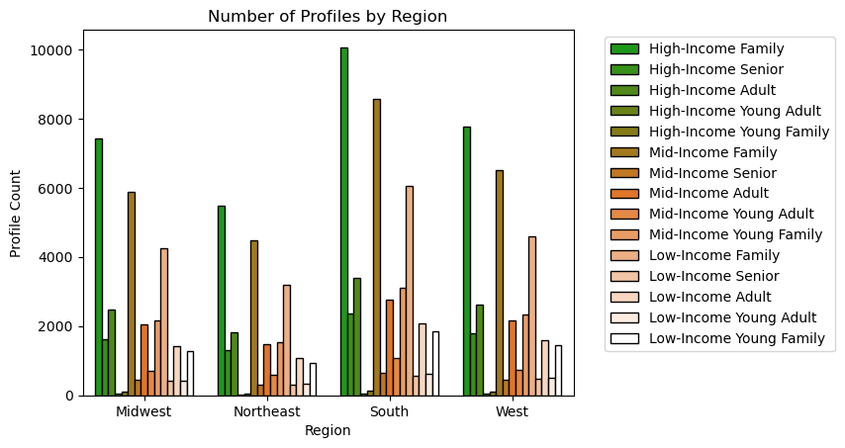
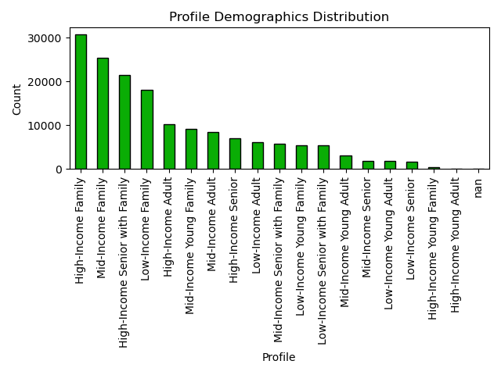
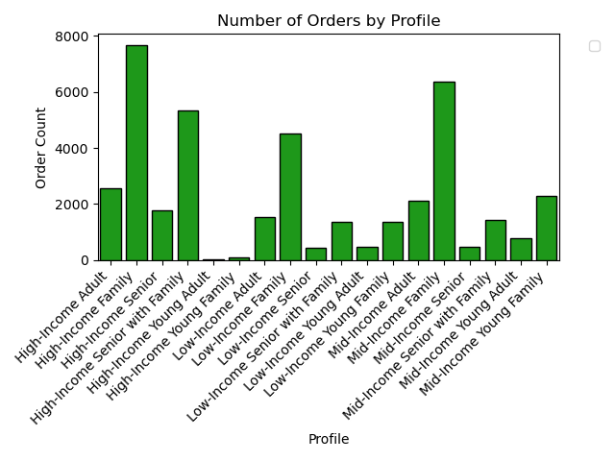
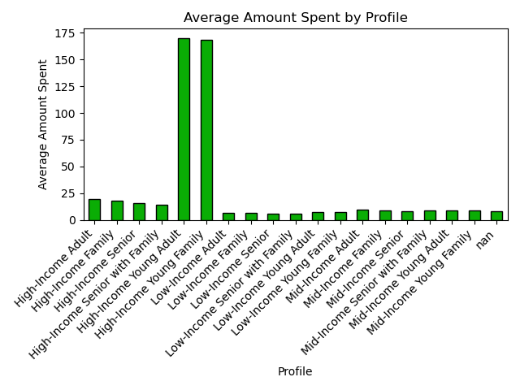
Title page

Visualisations

In this tab you should include all the visualtions from Exercises 4.9 and 4.10, alongside the questions from the project brief that they answer. Include any commentary on the relationship between different variables.

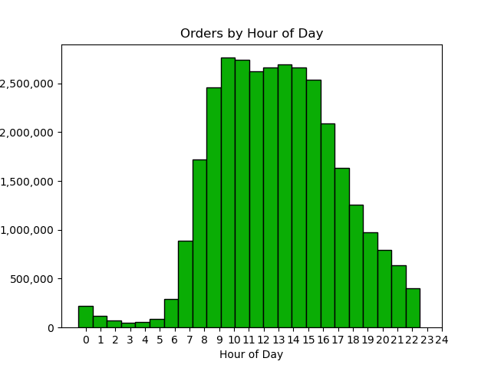
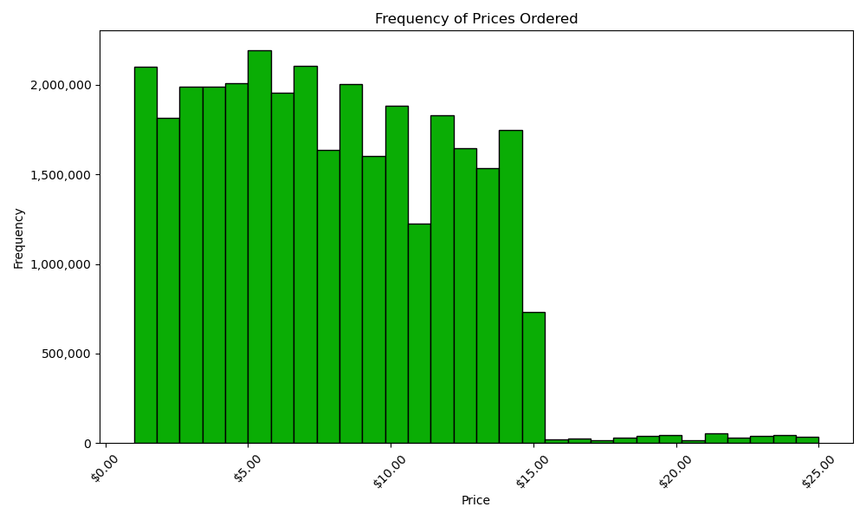

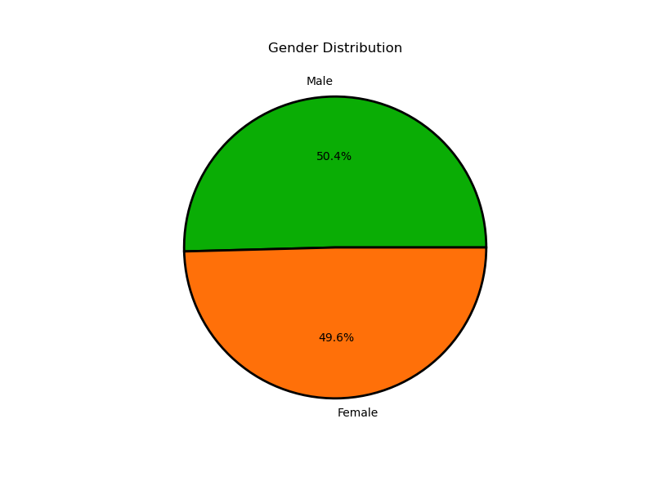
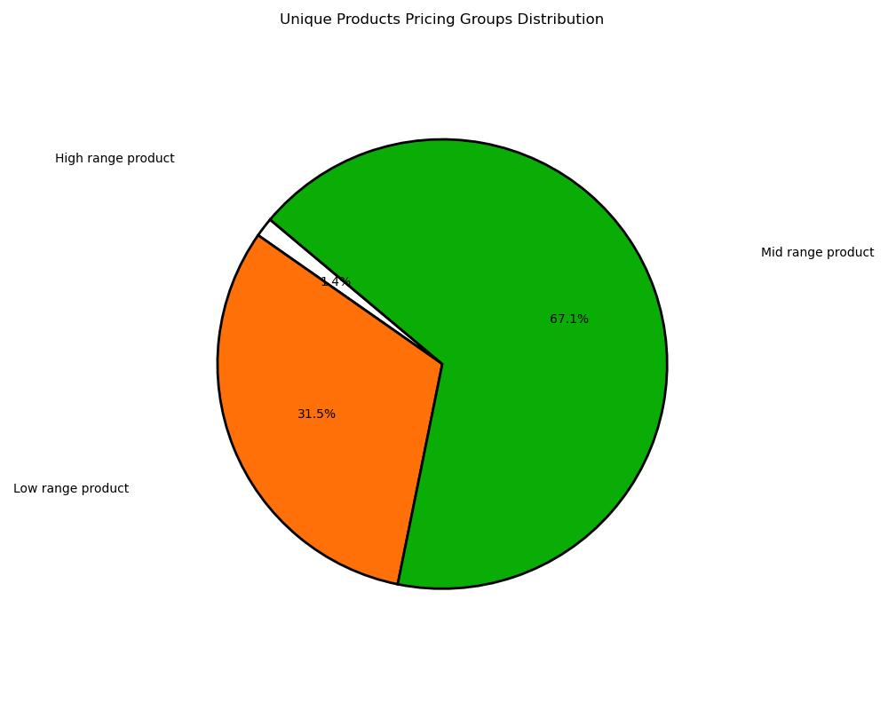

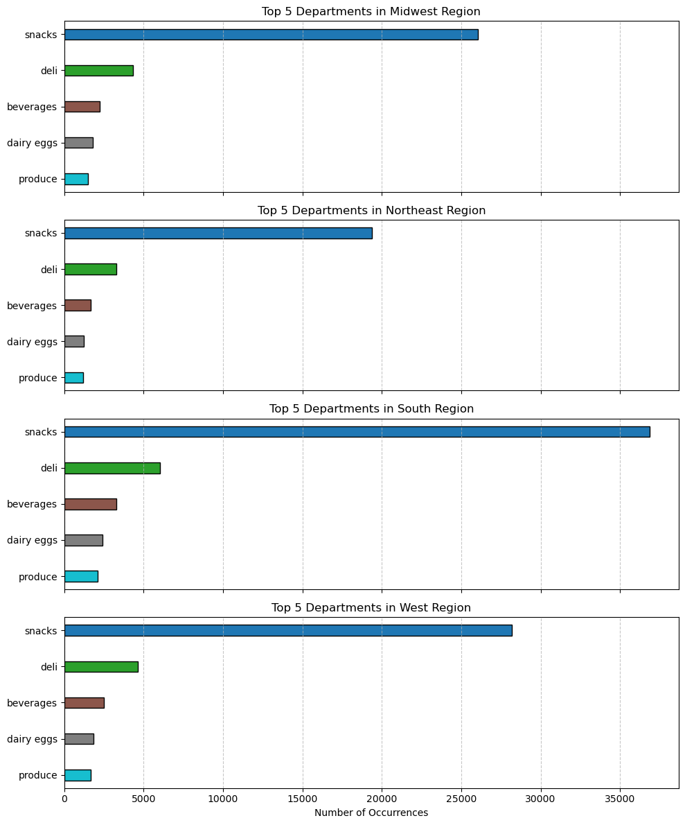


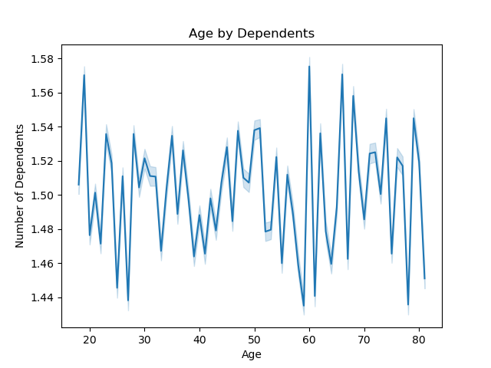

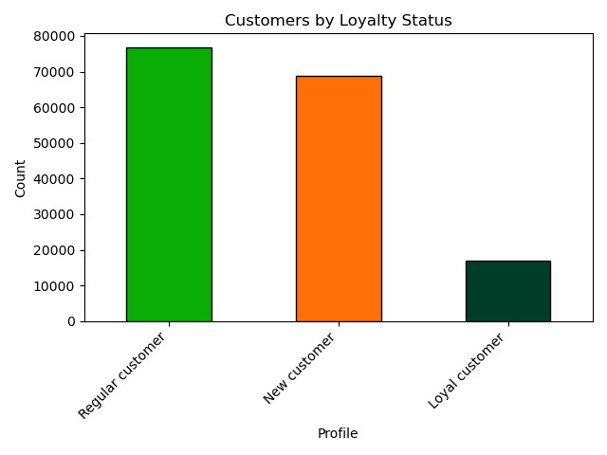

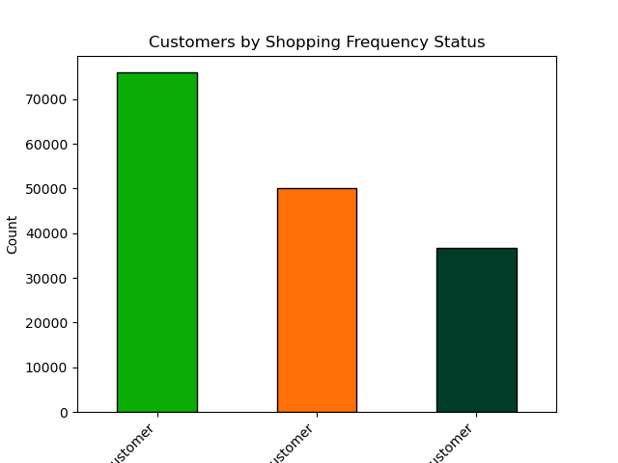

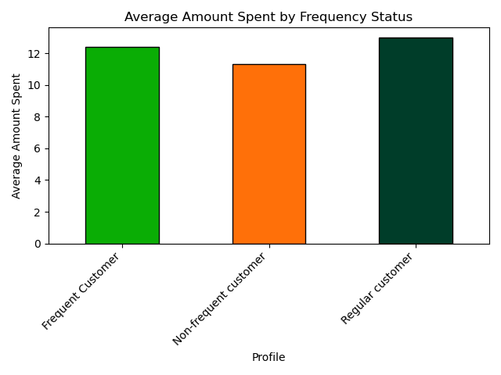

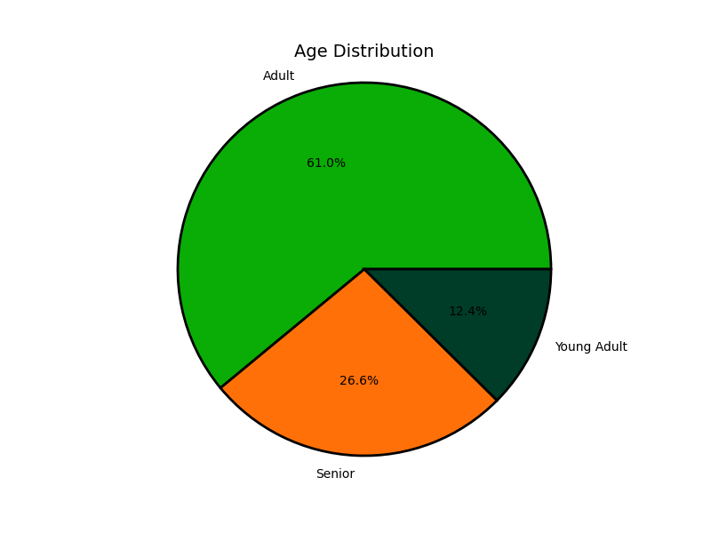
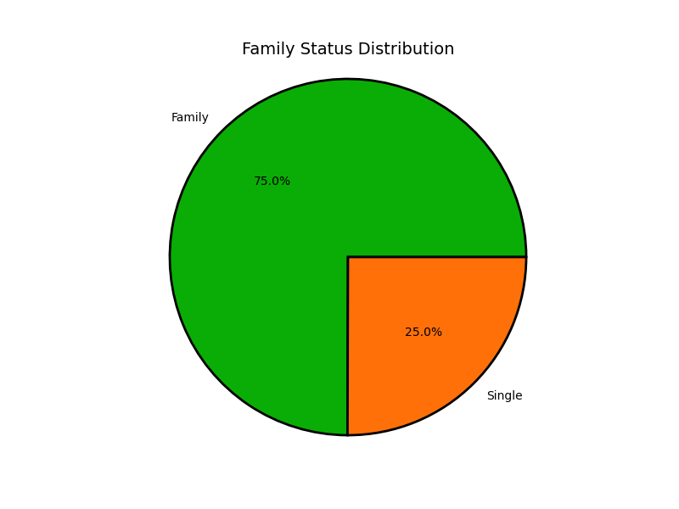

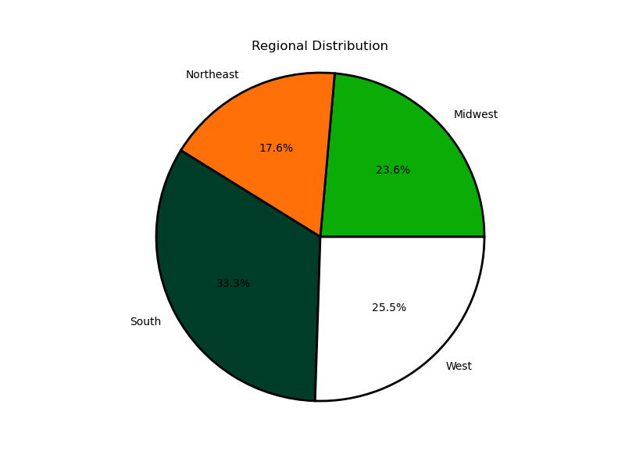
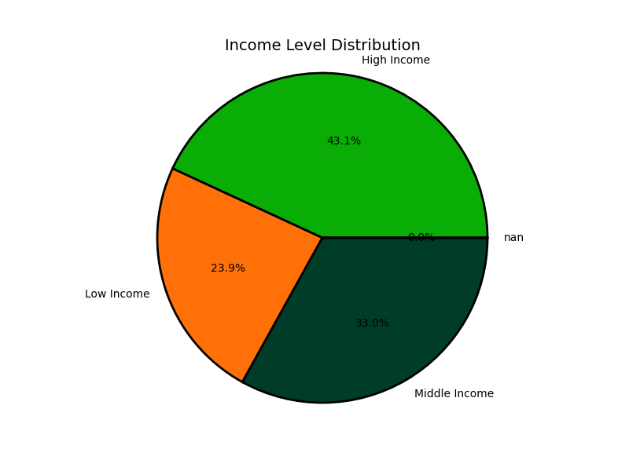

 | Because there is no significant difference in gender, we must look for other significatnt demographic niches. This presents itself, as the bar chats indicate in the form of adults with families. Families of very income level drive the InstaCart consumer base, with over 75% being in either High or Middle Income ranges. While generally evenly distributed, the South region of the United States is the overall biggest region for our consumers.

7. Recommendations
 |  |  |  |  |  |  | Title page

Recommendations

All income levels of families use Instant Cart to shop on the weekends or during work hours. Instant Cart families shop for snacks, but popular categories also include deli, beverages, dairy/eggs, and produce. High-Income Young Adults and High-Income Young families spend 6x more on on average than any other customer profile demographic.
It is recommended that advertising focus on:
- advertising on weekdays
- advertising during late night and early hours of the morning
- advertising to the younger adult population
- brand awareness in the northeast US
- bringing in new customers

Question | Answer
What are the busiest days of the week? What are the busiest hours of day? What time do people spend the most? | The busiest days of the week are Saturday and Sunday, and Friday. The busiest hours of day were found to be 8am-4pm. The highest priced orders are taking place Friday and Saturday. Prices tend to be higher at order lulls, and lower during busy hours.
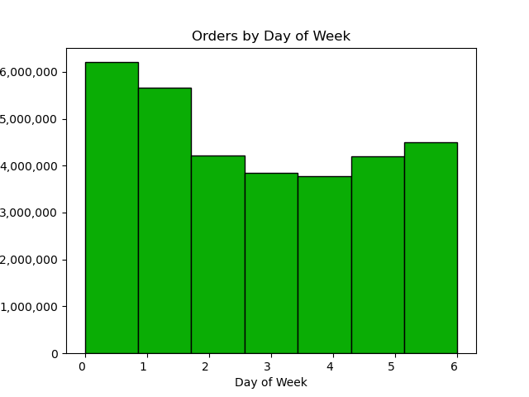
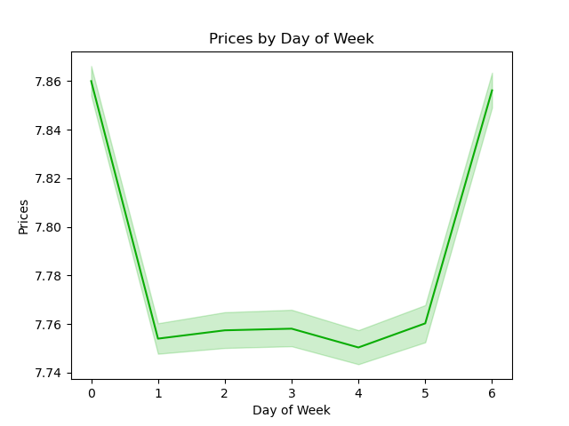

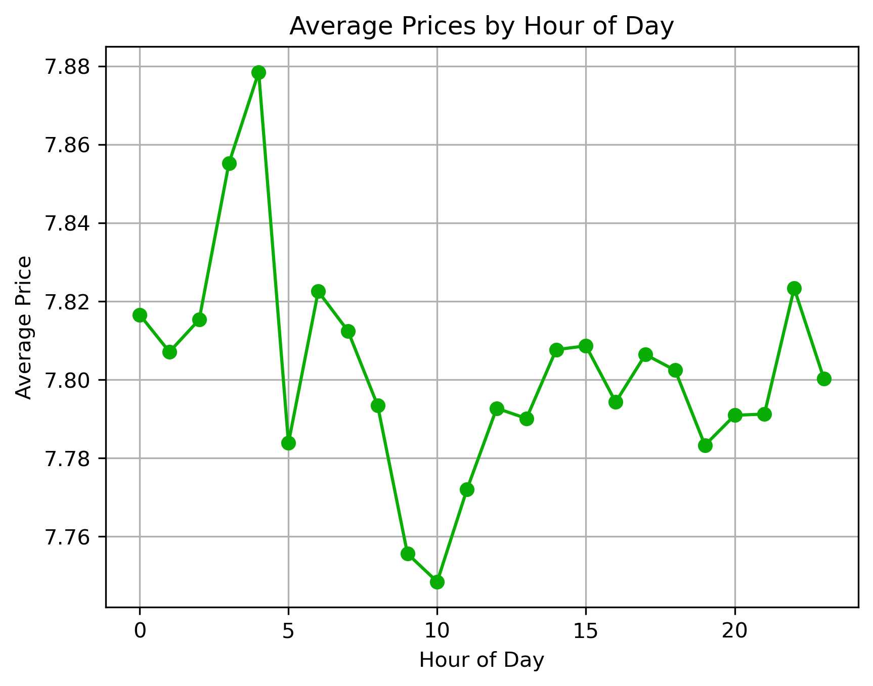

It is reccommended that the team run more ads during the week, as this is when fewer orders occur. Most orders take place during the average workday, and are for mid-range products; these are likely orders of everday convenience and should constitue the majority of ad efforts.

Question |  |  |  |  | Answer
Simpler price range groupings to help direct their efforts. |  |  |  |  | Low-Range Product ($5 or less), Mid-Range Product ( $5.01 to $15), High-Range product ($15+)

 |  | Uniwue values?

Instant Cart products are mainly made of up Mid- and Low-Range products. This is consistent with what IC customers order, as displayed in the histogram.

Question |  |  |  |  | Answer
What’s the distribution among users in regards to their brand loyalty?
 |  |  |  |  | The majority of customers are considered Regular. The smallest loyalty status group is New Customer, and efforts should be made to bring in new consumers who have not considered IC.
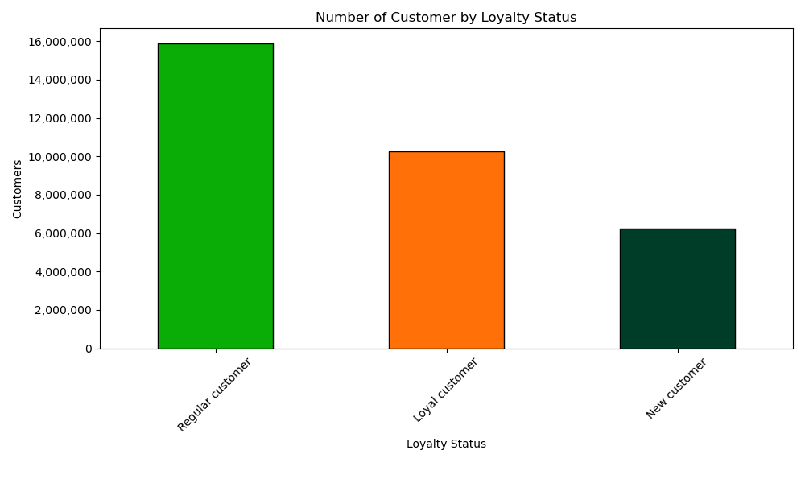

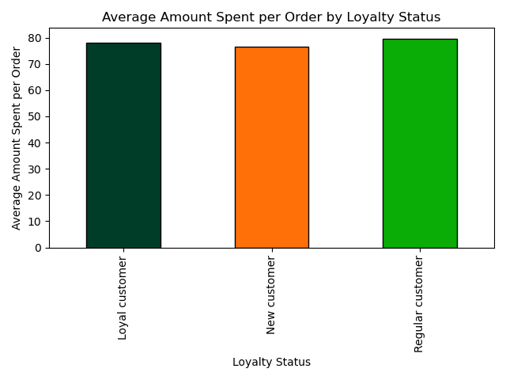
Are there differences in ordering habits based on a customer’s loyalty status?
 |  |  |  |  | There does not seem to be a significant difference in the amount spend across loyalty status.

Are there differences in ordering habits based on a customer’s region? | Are there certain types of products that are more popular than others?
 |  |  |  |  |  | In all four regions, snacks are the most popular type of product by an overwhelming majority.All four regions also have the same depratments preferenced in the same order, showing little difference in what is ordered across the country.


Is there a connection between age and family status in terms of ordering
habits?
 |  | There are no consistencies in the data to suggest a reltionship between age and family status (number of dependants).

What different classifications does the demographic information suggest?
 |  |  |  | Classification profiles were made according to Age, Family Status, and Income Status. The obvious standout demographic was families, in all four regions.Adult families at all levels on income are a driving force at Instant Cart.

 |  |  |  | There is no significant difference in the number of male and female customers. |  |  |  | There is a relatively even distribution amont all regions except the Northeast, which has the fewest at 17.6%. The South is an established majority by 8%.

 |  |  | As mentioned above, the majority of IC customers are adults with families or dependants. |  |  |  |  |  | 76.1% of customers are either Middle or High-Income.

What differences can you find in ordering habits of different customer
profiles? Consider the price of orders, the frequency of orders, the products
customers are ordering, and anything else you can think of

 |  |  |  | Unsurprisingly, families also make up the majority of orders as well as customers. It may also be unsurprising that High-Income customers spend more on average. However, the amount more spent by High-Income Young Adults and Young Families should be noted, as it is at least 6 times higher than any other profiles.

